Sheet1
"Humare application ke liye BMS better hai ya BMD+TQF combination? Kya aap final recommendation de sakte hain?" | Specification | Motor - 1 (Joint 1) | Motor - 2 (For joint 2, 3 & 4)
"Joint 1 ke liye 960 kg·m² reflected inertia hai - kya aapki recommendation isko handle kar sakti hai? Inertia matching ratio kya hoga?” | Qunatity | 2 | 6
"Joint 1 ke liye 960 kg·m² reflected inertia hai - kya aapki recommendation isko handle kar sakti hai? Inertia matching ratio kya hoga?" | Rated Torque | 275 Nm | 50 Nm
"Joint 1 ke liye 960 kg·m² reflected inertia hai - kya aapki recommendation isko handle kar sakti hai? Inertia matching ratio kya hoga?" | Peak Torque (Optional) | 450 Nm | 170 Nm
"Kya aap AxiaVert drive ke liye ESD file de sakte hain for EtherCAT integration?" | Rated speed | 30 - 50 RPM | 30 - 50 RPM
"Joint 1 ke liye kaunsa motor model best rahega - BMD 170 ya BMD 145?" | Gear Type | Precision Planetary Gear
"Joint 2-4 ke liye BMD 118 14 Nm sahi rahega ya kuch aur?" | Gear Backlash | Minimized
"Kya ENB11 (Hiperface DSL) encoder available hai? Iski resolution kya hai?" | Electromagnetic Brake | Required
"Electromagnetic brake sabhi motors mein lagega? Brake torque kitna hai?" | Encoder for Servo drive | Absolute encoder (Preferably >= 12 bits)
"IP65 protection standard hai ya extra lagega?" | Mounting type | Flange
"Kya KTY ya PT1000 thermal sensor standard hai?" | Output shaft type | Flange
"Joint 1 ke liye TQF 160 kaun sa ratio best rahega - 40:1, 50:1 ya 70:1?" | Power Supply | Three Phase
"Joint 2-4 ke liye TQF 090 sahi hai ya TQF 130 lena padega?" | Application | For use in joints of a robotic manipulator prototype as shown in Figure 1.
"Backlash standard (5') enough hai ya reduced (3') lena chahiye?" | Compatible Servo drive Required | EtherCAT enabled drive with Position, Velocity and Torque control modes
"Torsional stiffness kitni hai? Kya ye high dynamics ke liye enough hai?" | Cable length | 15 m
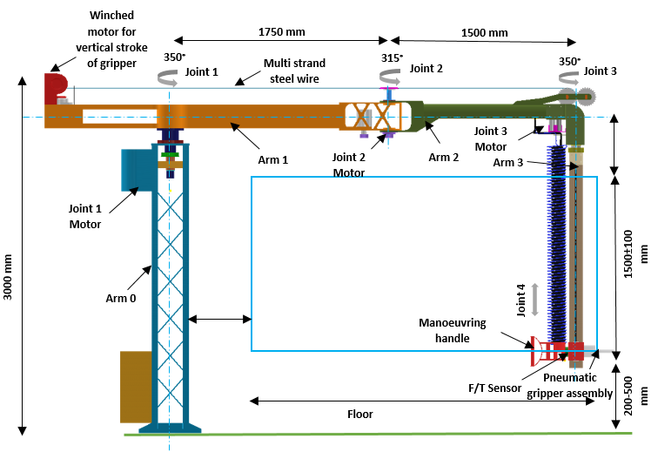
"Gearbox ka efficiency kitna hai? 1-stage aur 2-stage mein kya difference hai?"
"Joint 1 ke liye AXV 4 A S D 7K5 sahi rahega ya 9K2 lena padega?"
"Joint 2-4 ke liye AXV 4 A S D 3K0 enough hai?" | Details required from CSIR-CMERI
"Functional Safety - STO, SS1-t, SBC - humein kaunsa chahiye? M ya S?" | Load inertia reflected at the G.B output shaft
"Cable length 15m hai - koi signal attenuation issue toh nahi hoga?" | Axial load and radial load for G.B selection
"OPC-UA support hai? Hum IIoT/Industry 4.0 ke liye data lena chahte hain."
"Kya PLC programming (IEC 61131-3) support hai? Hum custom logic likhna chahte hain."
"BMS + Axiavert drive - kya ye plug-and-play hai? Ya kuch special configuration chahiye?" | Documentation to be shared From Bonfiglioli
"Hum EtherCAT use karenge. Kya aapke paas ESD file ready hai?" | Motor (BMD) + GB (TQF)
"Kya aap 3D CAD models (STEP files) de sakte hain for mechanical integration?" | Integrated One (BMS)
"BMS ka mounting type kya hai? Hum flange mounting chahte hain." | Drive Axia VERT (Drive)
"2 + 6 = 8 units ka total cost kya hoga?" | ESD file for EtherCAT
"Lead time kya hai? Delivery kab tak milegi?"
"Warranty period kya hai?"
"India mein service center hai? Onsite support milega?"

 |  |  | Figure 1

